1 | Twitch SQL Analysis
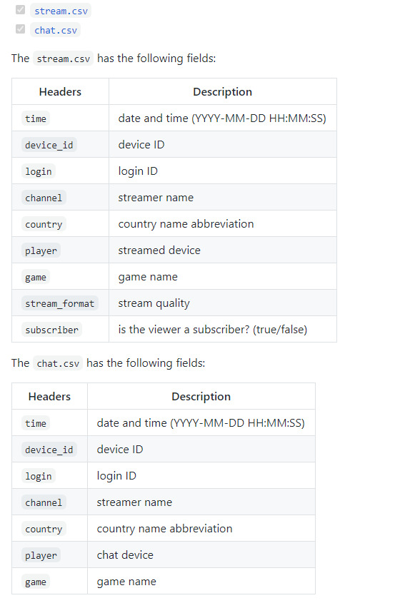
Twitch - SQL Queries Organized

Question 1: | What are the top 10 most popular games in the stream table on January 1, 2015?

Featured Games Viewers
 | Top 10 Popular Games
 | # | Game | Viewers
 | 1 | League of Legends | 193,533
 | 2 | Dota 2 | 85,608
 | 3 | Counter-Strike: Global Offensive | 54,438
 | 4 | DayZ | 38,004
 | 5 | Heroes of the Storm | 35,310
 | 6 | The Binding of Isaac: Rebirth | 29,467
 | 7 | Gaming Talk Shows | 28,115
 | 8 | World of Tanks | 15,932
 | 9 | Hearthstone: Heroes of Warcraft | 14,399
 | 10 | Agar.io | 11,480

Question 2: | League of Legends had the largest viewers. Where are the viewers located?

League of Legends Viewers' Locations
 | League Of Legends Viewers Locations
 | # | Country | Viewers
 | 1 | US | 85,606
 | 2 | CA | 13,034
 | 3 | DE | 10,835
 | 4 | Ø | 7,641 | [1]
 | 5 | GB | 6,964
 | 6 | TR | 4,412
 | 7 | AU | 3,911
 | 8 | SE | 3,533
 | 9 | NL | 3,213
 | 10 | DK | 2,909
 | 11 | GR | 2,885
 | 12 | Other | 48,590

 |  | Total | 193,533

 |  | check = 0 | 0

 | [1] | The symbol Ø shows the viewers location was unknown. This could be because the viewer was using a VPN to block its location.

Question 3: | How many US viewers were there at different hours of the day for all games on January 1st, 2015? The viewer count is for all games including LoL.

 | US Viewers Per Hour
 | Hour | Viewers
 | 0 | 7,025
Time Series
 | 1 | 4,693
 | 2 | 5,961
 | 3 | 4,236
 | 4 | 3,567
 | 5 | 1,597
 | 6 | 236
 | 7 | 338
 | 8 | 935
 | 9 | 1,214
 | 10 | 1,940
 | 11 | 7,349
 | 12 | 11,766
 | 13 | 9,740
 | 14 | 7,521
 | 15 | 9,065
 | 16 | 10,134
 | 17 | 11,929
 | 18 | 12,215
 | 19 | 15,206
 | 20 | 19,656
 | 21 | 18,425
 | 22 | 13,984
 | 23 | 11,646

 | Total | 190,378

Note 1: | The .sql file was used for creating the queries. This excel file was used for organizing the data for analysis.

Note 2: | We were provided a dataset which contained two CSV files (stream and chat). Refer to the two table schemas below.

